Sheet1
AUGUSTA UNIVERSITY Office of Athletics Compliance PRACTICE TIME LOG (Countable Athletically Related Activities Weekly Log)
TYPE OF COUNTABLE ATHLETIC RELATED ACTIVITY |  |  |  |  |  |  |  |  |  |  | PLAYING SEASON |  |  |  | 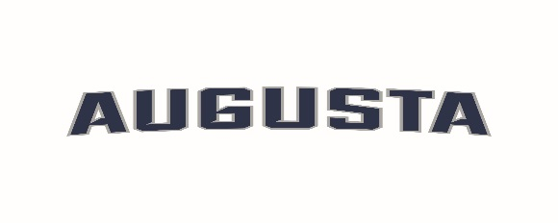
C= Competition P= Team Practice W= Weight Training CD= Conditioning S= Skill Instruction TO= Tryout |  |  |  |  |  |  |  |  |  |  | Championship
M= Team Meetings X= Required Day Off T= Travel CC= Camps and Clinics TA= Team Activity |  |  |  |  |  |  |  |  |  |  | Non-Championship
SPORT: |  |  | WEEK OF: |  | START |  |  | END |  |  | Outside of Season
NAME | SUNDAY |  | MONDAY |  | TUESDAY |  | WEDNESDAY |  | THURSDAY |  | FRIDAY |  | SATURDAY
 | ACTIVITY | TIME | ACTIVITY | TIME | ACTIVITY | TIME | ACTIVITY | TIME | ACTIVITY | TIME | ACTIVITY | TIME | ACTIVITY | TIME | TOTAL HOURS | STUDENT-ATHLETE SIGNATURE
 | TA-30/ CD-45 | 1.15 |  |  |  |  |  |  |  |  |  |  |  |  | 1.15
 |  |  |  |  |  |  |  |  |  |  |  |  |  |  | 0.00
 |  |  |  |  |  |  |  |  |  |  |  |  |  |  | 0.00
 |  |  |  |  |  |  |  |  |  |  |  |  |  |  | 0.00
 |  |  |  |  |  |  |  |  |  |  |  |  |  |  | 0.00
 |  |  |  |  |  |  |  |  |  |  |  |  |  |  | 0.00
 |  |  |  |  |  |  |  |  |  |  |  |  |  |  | 0.00
 |  |  |  |  |  |  |  |  |  |  |  |  |  |  | 0.00
 |  |  |  |  |  |  |  |  |  |  |  |  |  |  | 0.00
 |  |  |  |  |  |  |  |  |  |  |  |  |  |  | 0.00
 |  |  |  |  |  |  |  |  |  |  |  |  |  |  | 0.00
 |  |  |  |  |  |  |  |  |  |  |  |  |  |  | 0.00
 |  |  |  |  |  |  |  |  |  |  |  |  |  |  | 0.00
 |  |  |  |  |  |  |  |  |  |  |  |  |  |  | 0.00
 |  |  |  |  |  |  |  |  |  |  |  |  |  |  | 0.00
 |  |  |  |  |  |  |  |  |  |  |  |  |  |  | 0.00
 |  |  |  |  |  |  |  |  |  |  |  |  |  |  | 0.00
 |  |  |  |  |  |  |  |  |  |  |  |  |  |  | 0.00
 |  |  |  |  |  |  |  |  |  |  |  |  |  |  | 0.00
 |  |  |  |  |  |  |  |  |  |  |  |  |  |  | 0.00
 |  |  |  |  |  |  |  |  |  |  |  |  |  |  | 0.00
 |  |  |  |  |  |  |  |  |  |  |  |  |  |  | 0.00
 |  |  |  |  |  |  |  |  |  |  |  |  |  |  | 0.00
 |  |  |  |  |  |  |  |  |  |  |  |  |  |  | 0.00
 |  |  |  |  |  |  |  |  |  |  |  |  |  |  | 0.00
 |  |  |  |  |  |  |  |  |  |  |  |  |  |  | 0.00
 |  |  |  |  |  |  |  |  |  |  |  |  |  |  | 0.00

HEAD COACH’S SIGNATURE:__________________________________________________________
By signing above, you state to the best of your knowledge that the above information is accurate and in accordance with NCAA Bylaw 17.1.6 (DII) / 17.1.7 (DI) |  |  |  |  |  |  |  |  |  |  |  |  |  |  |  | Revised 8/22/16

